Sheet2
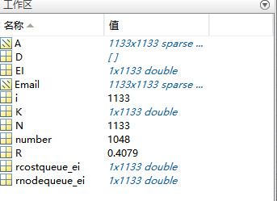
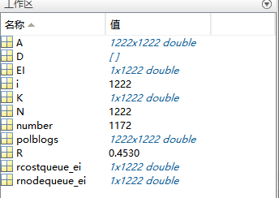
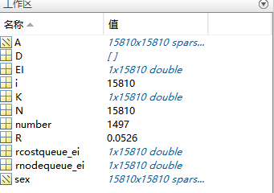
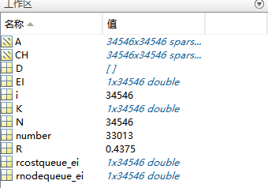
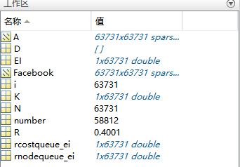
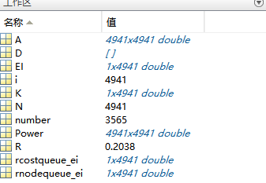
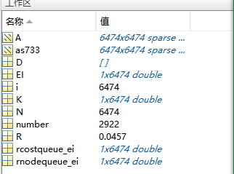
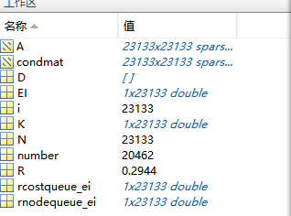
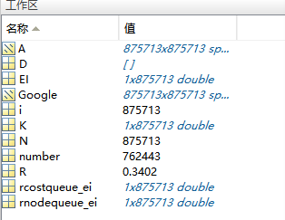
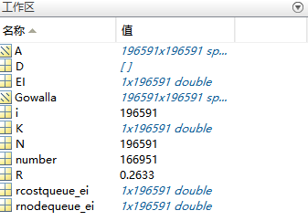
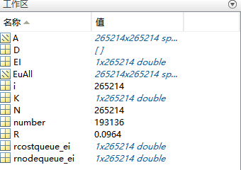
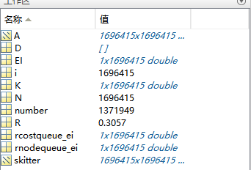
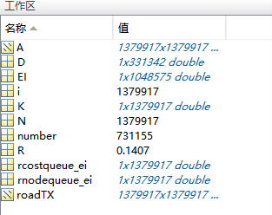
网络 |  | N | m | K | 平均单次EI算法时间 | number | R
随机网络 | ER_3 | 100000 | 150503 | 1.5 | 776.019s | 16342 | 0.1265
 | ER_6 | 100000 | 300283 | 3 | 830.205s | 36879 | 0.288
 | ER_9 | 100000 | 450145 | 4.5 | 778.315s | 48746 | 0.3618
 | ER_12 | 100000 | 600026 | 6 | 770.766s | 56937 | 0.4024
 | ER_15 | 100000 | 750236 | 7.5 | 763.313s | 62514 | 0.4265
 | ER_18 | 100000 | 899423 | 9 | 774.215s | 66717 | 0.4423
真实网络 | Email | 1133 | 5451 | 9.6 | 9.201s | 1048 | 0.4079
 | PB | 1222 | 16714 | 27.34 | 1.905s | 1172 | 0.453 | 第二轮，K值乘2
 | Sex | 15810 | 38540 | 4.88 | 37.827s | 1497 | 0.0526
 | Facebook | 63731 | 497878 | 15.6 | 1354.25s | 58812 | 0.4001
 | Power | 4941 | 6594 | 2.66 | 11.35s | 3565 | 0.2038
 | Router | 5022 | 6258 | 2.48 | 8.775s | 171 | 0.0071
 | HepPh | 34546 | 420877 | 24.36 | 764.616s | 33013 | 0.4375
 | as733 | 6474 | 12572 | 3.88 | 132.692s | 2922 | 0.0457
 | condmat | 23133 | 93439 | 8.08 | 604.548s | 20462 | 0.2944
 | Gowalla | 196591 | 950327 | 9.68 | 4167.43s | 166951 | 0.2633
 | EuAll | 265214 | 1314808 | 9.92 | 7492.87s | 193136 | 0.0964
 | Google | 875713 | 5636859 | 12.88 | 82456.8s | 762443 | 0.3402
 | roadTX | 1379917 | 7558519 | 10.96 | 185563s | 731155 | 0.1407
 | skitter | 1696415 | 11095298 | 13.08 | 253960S | 1371949 | 0.3057

